Q1_Customer_Profile
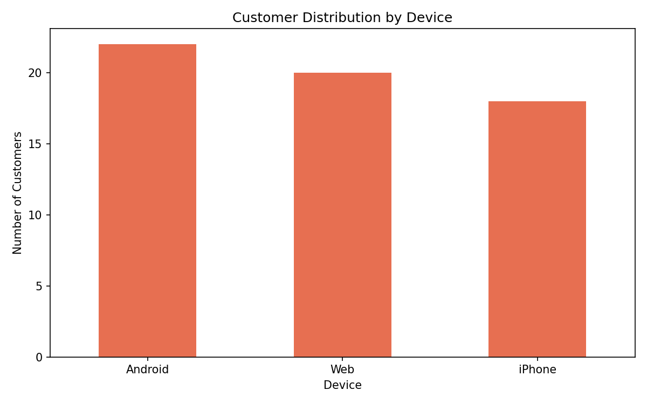
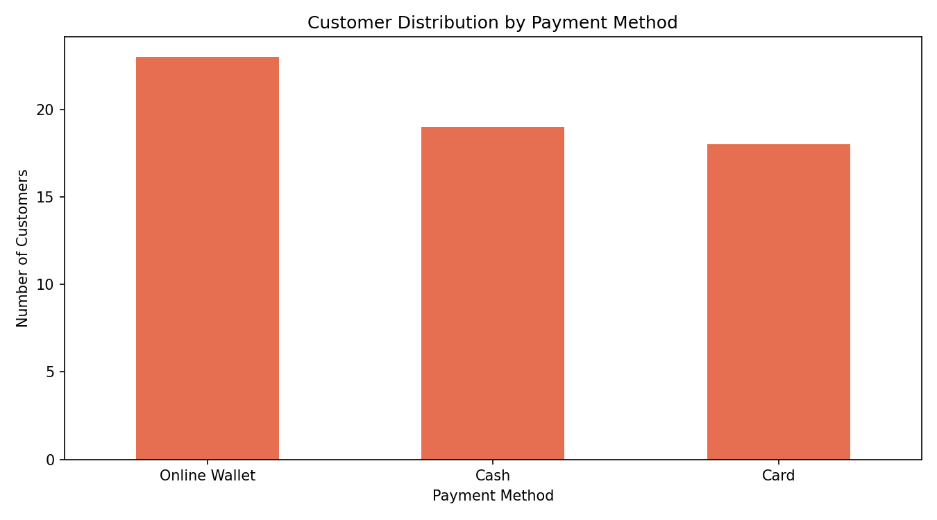
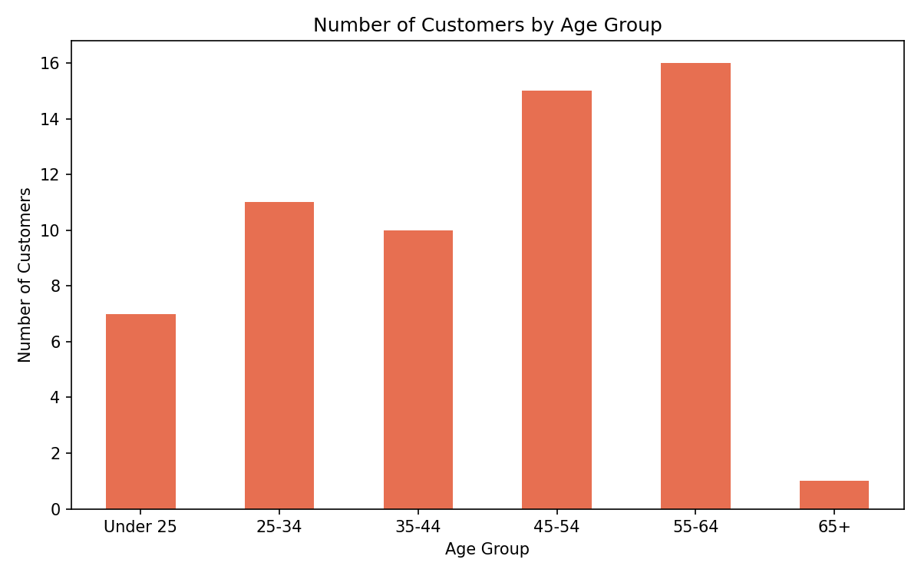
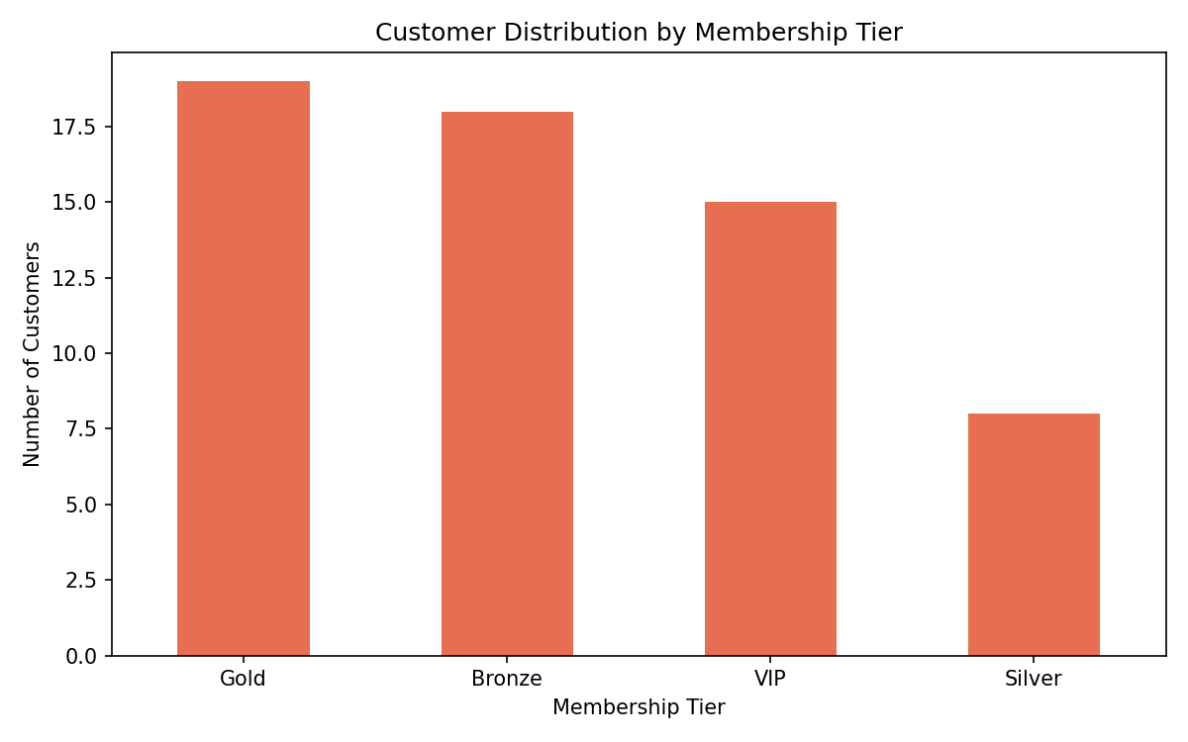
Characteristic | Dominant Group | Customer Count | Percentage
Age Group | 55-64 | 16 | 26.67
Gender | M | 35 | 58.33
Membership Tier | Gold | 19 | 31.67
Device | Android | 22 | 36.67
Payment Method | Online Wallet | 23 | 38.33

Q2_Location
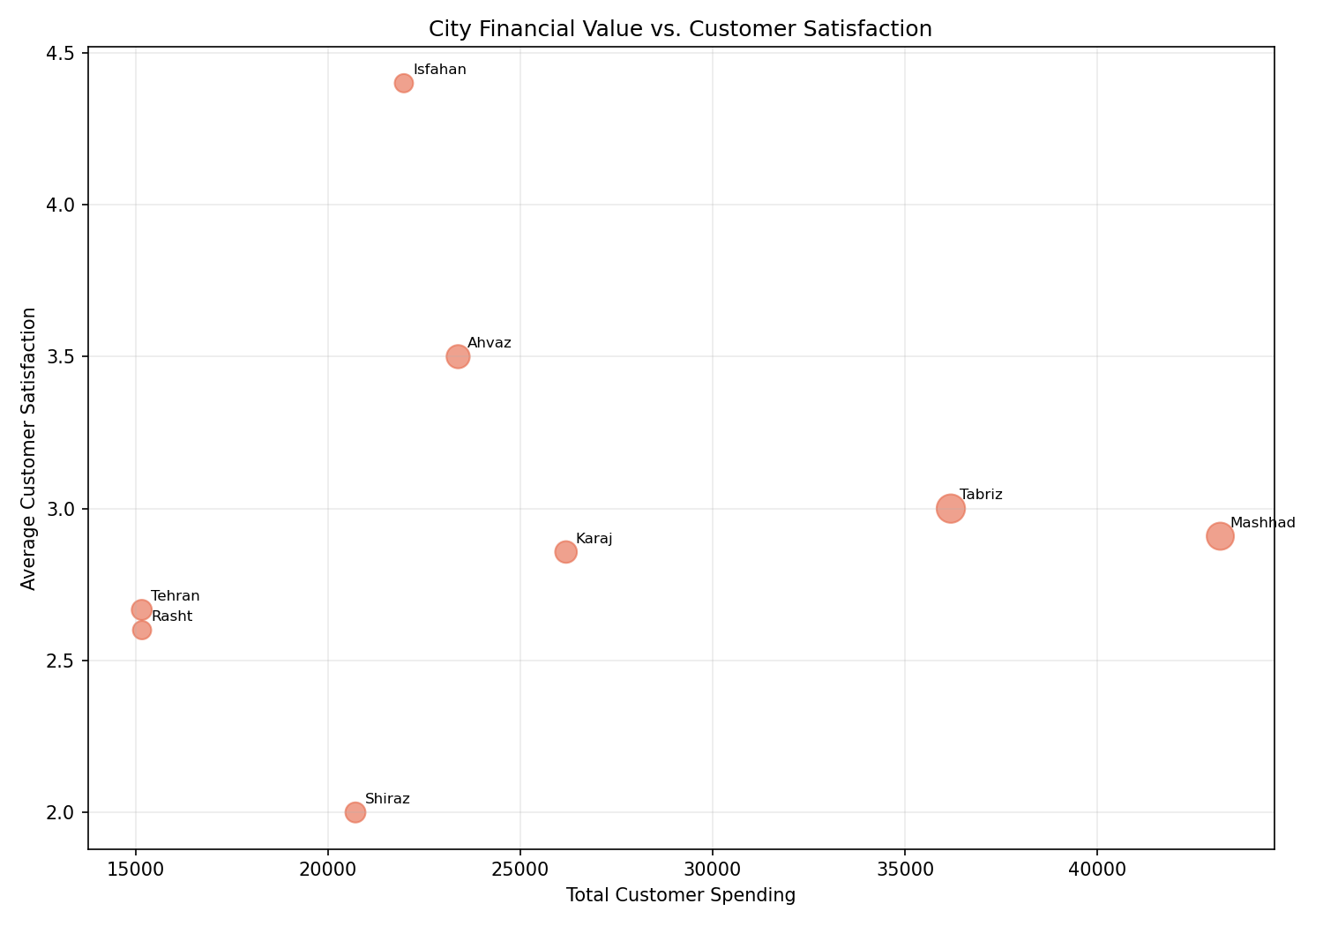
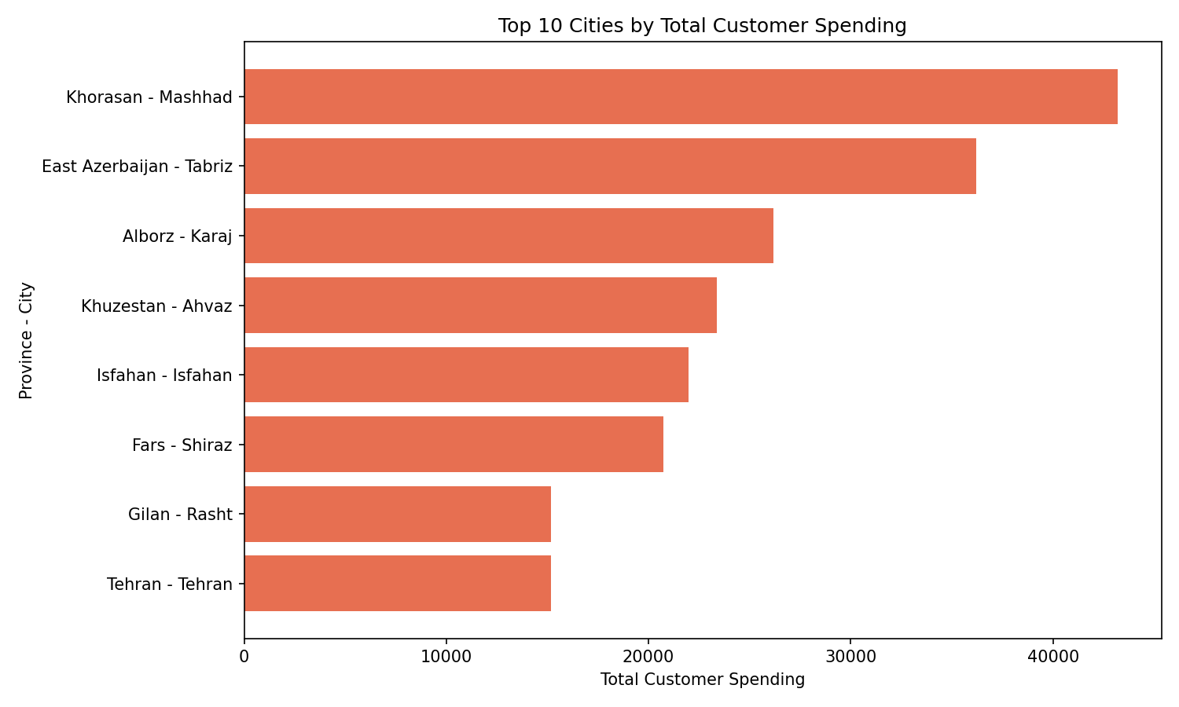
province | city | customer_count | total_revenue | avg_customer_spending | avg_purchase_count | avg_order_value | avg_satisfaction
Khorasan | Mashhad | 11 | 43197.58 | 3927.0527273 | 22.636363636 | 210.50818182 | 2.9090909091
East Azerbaijan | Tabriz | 12 | 36192.49 | 3016.0408333 | 15.75 | 238.90166667 | 3
Alborz | Karaj | 7 | 26189.81 | 3741.4014286 | 16 | 211.44 | 2.8571428571
Khuzestan | Ahvaz | 8 | 23384.78 | 2923.0975 | 13.875 | 216.53125 | 3.5
Isfahan | Isfahan | 5 | 21975.32 | 4395.064 | 19.8 | 212.68 | 4.4
Fars | Shiraz | 6 | 20715.92 | 3452.6533333 | 16.333333333 | 180.98333333 | 2
Gilan | Rasht | 5 | 15168.54 | 3033.708 | 16.4 | 241.554 | 2.6
Tehran | Tehran | 6 | 15161.29 | 2526.8816667 | 17.166666667 | 172.93 | 2.6666666667

Q3_Loyalty
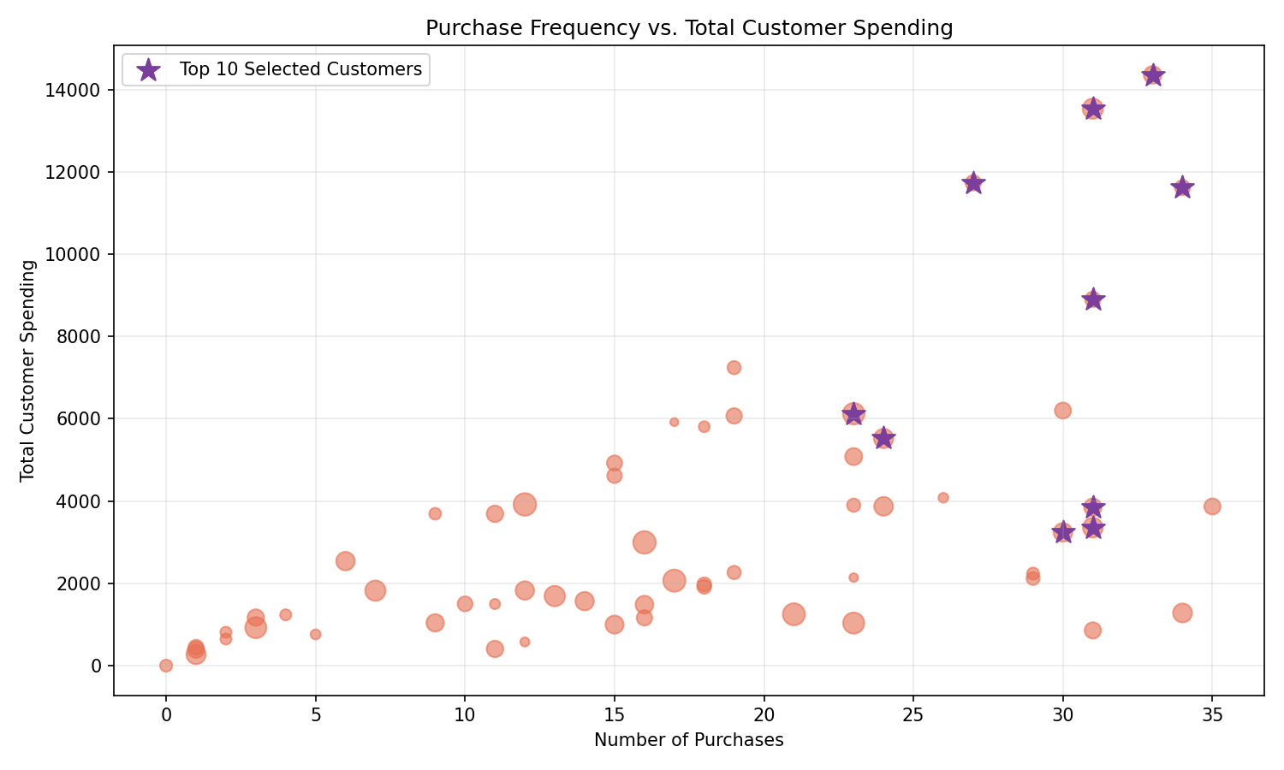
customer_id | first_name | membership_tier | purchase_count | suggested_total_spending | last_purchase_days | satisfaction_score | loyalty_score | selection_reason
1057 | Maryam | Bronze | 31 | 13532.74 | 82 | 4 | 0.86453491123 | High spending, High purchase frequency, Recent activity, High satisfaction
1044 | Mina | Gold | 33 | 14354.34 | 165 | 2 | 0.78085438043 | High spending, High purchase frequency
1059 | Ali | Gold | 31 | 8898.55 | 224 | 5 | 0.71058702222 | High spending, High purchase frequency, High satisfaction
1009 | Kimia | Silver | 34 | 11615.42 | 232 | 2 | 0.68562650529 | High spending, High purchase frequency
1004 | Sina | Gold | 23 | 6121.45 | 40 | 4 | 0.63845938513 | High spending, Recent activity, High satisfaction
1012 | Arash | Gold | 27 | 11731.5 | 224 | 2 | 0.63287675829 | High spending, High purchase frequency
1033 | Neda | VIP | 24 | 5521.2 | 112 | 5 | 0.63011599072 | High spending, Recent activity, High satisfaction
1014 | Reza | VIP | 31 | 3353.89 | 97 | 4 | 0.60805804648 | High purchase frequency, Recent activity, High satisfaction
1023 | Ali | Bronze | 31 | 3851.44 | 170 | 4 | 0.57985825153 | High purchase frequency, High satisfaction
1017 | Parsa | VIP | 30 | 3239.4 | 135 | 4 | 0.57570054804 | High purchase frequency, High satisfaction

Q4_At_Risk
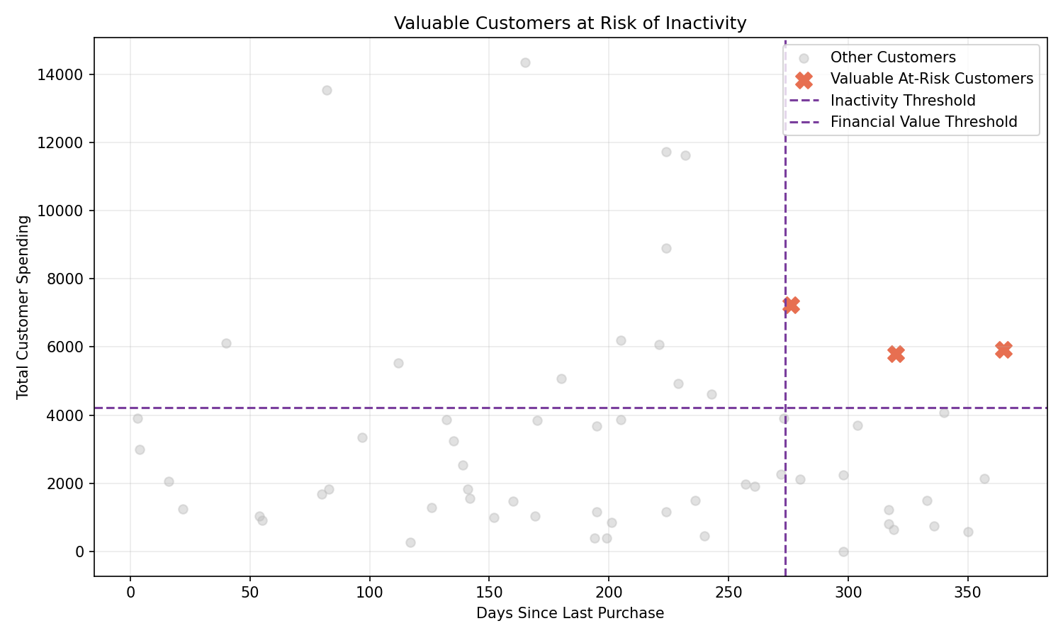
customer_id | first_name | membership_tier | purchase_count | suggested_total_spending | last_purchase_days | satisfaction_score | customer_status
1010 | Arash | Silver | 19 | 7241.47 | 276 | 1 | Dissatisfied
1035 | Arash | Bronze | 17 | 5918.21 | 365 | 3 | Satisfied but Inactive
1053 | Sina | Gold | 18 | 5805.54 | 320 | 1 | Dissatisfied

Q5_Discount
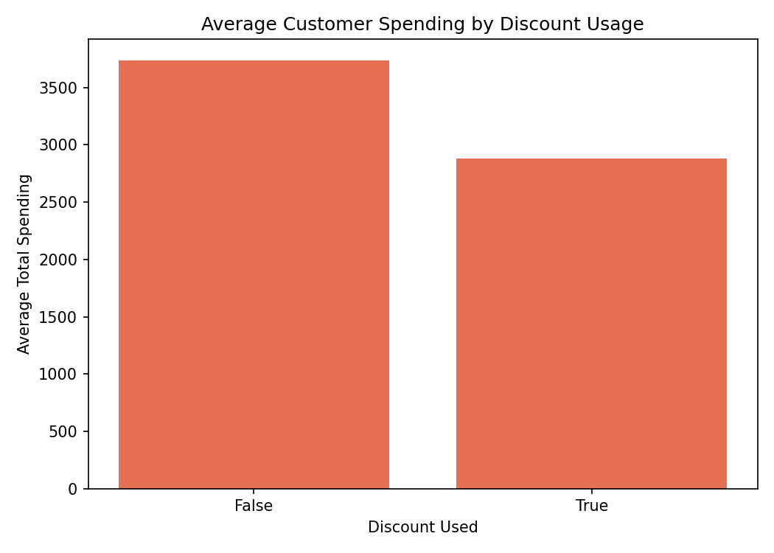
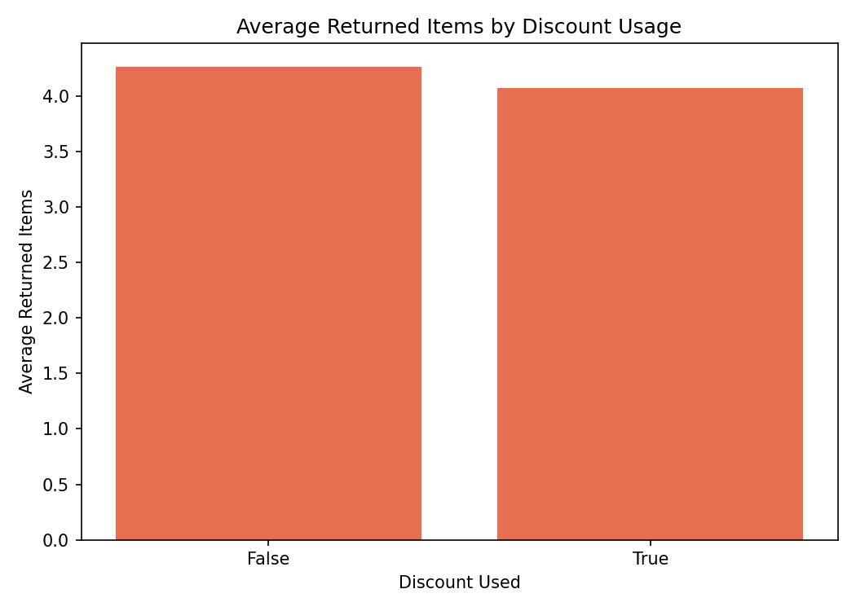
discount_used | customer_count | avg_total_spending | avg_purchase_count | avg_order_value | avg_returned_items | avg_satisfaction
FALSE | 34 | 3736.7411765 | 17.294117647 | 220.70058824 | 4.2647058824 | 2.7647058824
TRUE | 26 | 2882.1742308 | 17.5 | 203.29115385 | 4.0769230769 | 3.2692307692

device | customer_count | avg_total_spending | avg_purchase_count | avg_order_value | avg_returned_items | avg_satisfaction
iPhone | 18 | 3773.945 | 18.277777778 | 204.66111111 | 3.3333333333 | 2.9444444444
Android | 22 | 3459.0690909 | 17.909090909 | 209.78545455 | 4.7727272727 | 3.0909090909
Web | 20 | 2897.76 | 16 | 224.5105 | 4.3 | 2.9

payment_method | customer_count | avg_total_spending | avg_purchase_count | avg_order_value | avg_returned_items | avg_satisfaction
Card | 18 | 3929.005 | 18.777777778 | 224.14444444 | 4.3888888889 | 3.2777777778
Cash | 19 | 3150.5794737 | 19.210526316 | 192.26473684 | 4.4210526316 | 3.4736842105
Online Wallet | 23 | 3104.4621739 | 14.782608696 | 221.81565217 | 3.8260869565 | 2.347826087

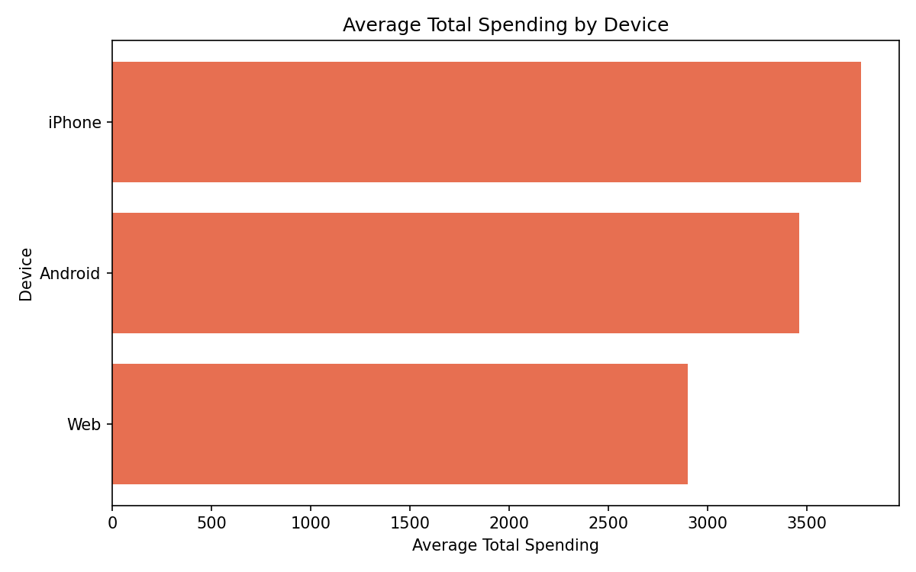
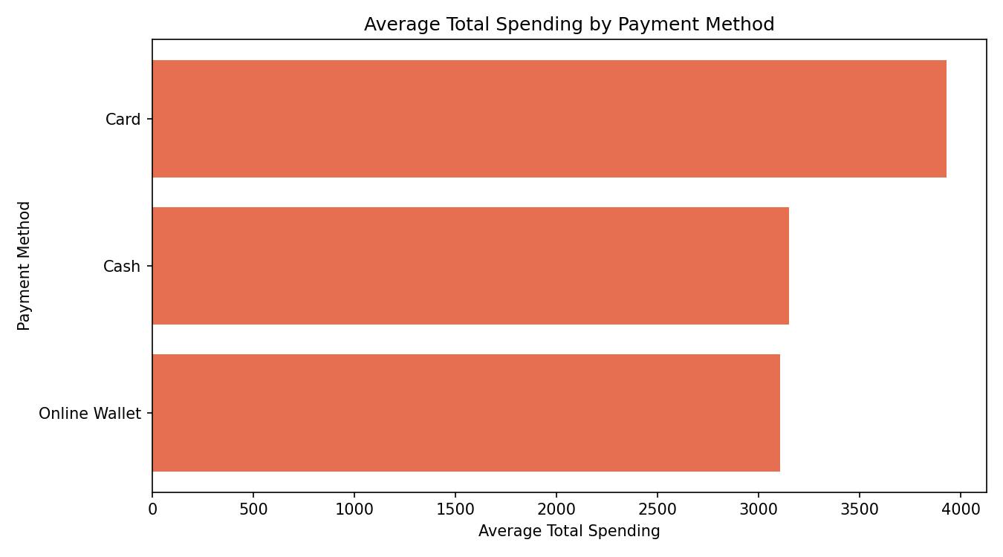

Metric | Difference
Average Total Spending | -854.5669457
Average Purchase Count | 0.20588235294
Average Order Value | -17.409434389
Average Returned Items | -0.18778280543
Average Satisfaction | 0.50452488688

